Power BI DashBoard
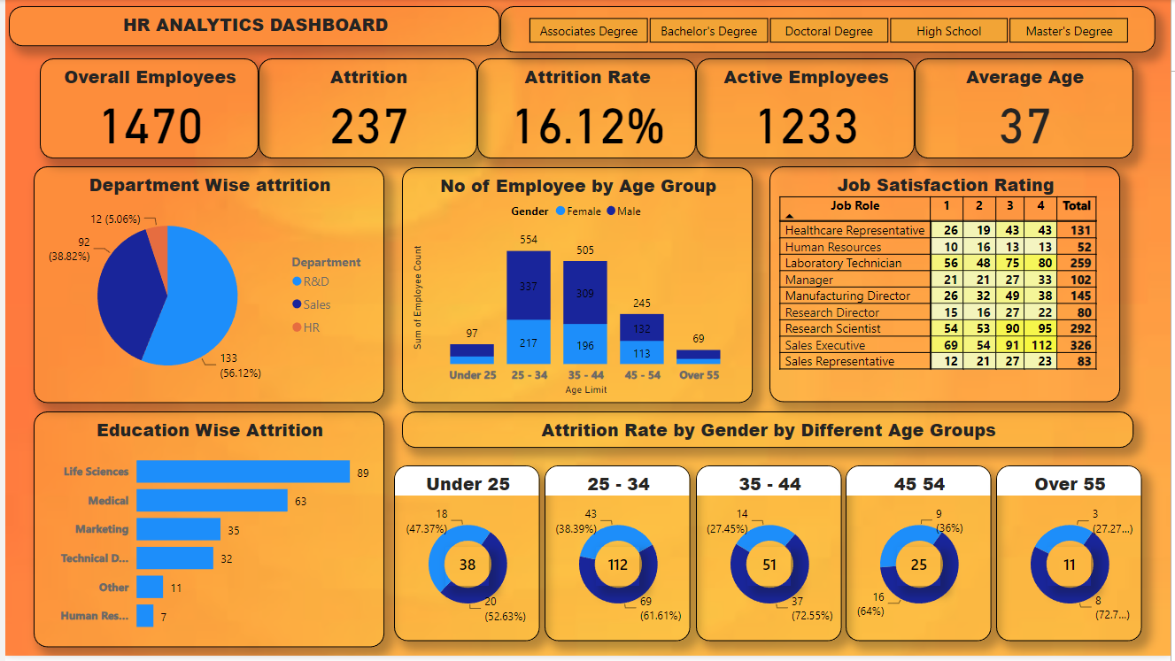
Power BI DashBoard

Tableau DashBoard
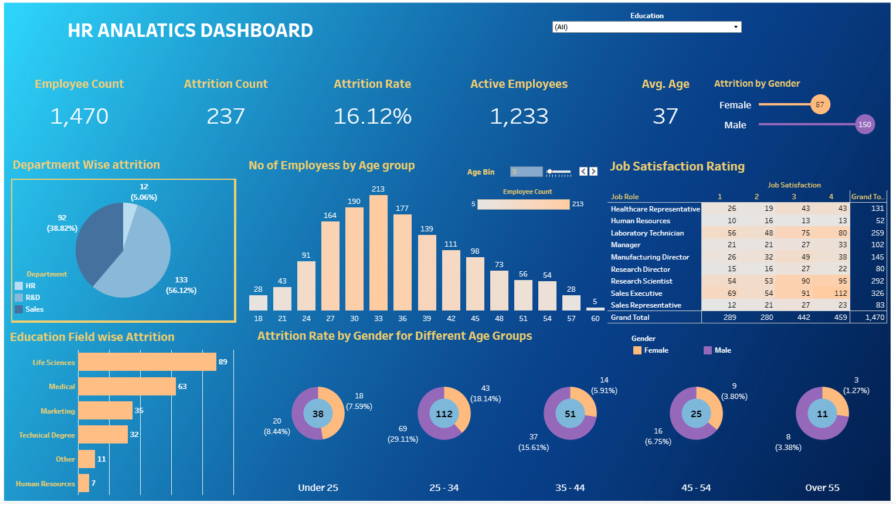
Tableau DashBoard

Check out the real Time DashBoard : https://public.tableau.com/app/profile/vigneshwar.sekar/viz/Tableau1Fullproject/HRANALATICSDASHBOARD

Excel DashBoard
`
 | 0.6566
 | 0.3434
HR ANALATICS DASHBOARD
Job Satisfaction Rating
 | 2.63 | 1.37
2.63

Total Employees
Attrition
Active Employees
Attrition Rate
Average Age

1470
237
1233
16.12%
37

Total Employees by gender
Education Wise Attrition
Attrition by Job Role

 | Total
Doctoral Degree | 5
High School | 31
Associates Degree | 44
Master's Degree | 58
Bachelor's Degree | 99

 | 40%
 | 60%
 | 40%
 | 60%

588
882

40%
60%

Attrition by Age Group
Department Wise Attrition
Attrition by Marital Status
Slicers

 | Total
HR | 5.06%
R&D | 56.12%
Sales | 38.82%
 | Total
25 - 34 | 112
35 - 44 | 51
Under 25 | 38
45 - 54 | 25
Over 55 | 11

Rating
Average of Job Satisfaction
2.6

Rating | 2.63 | 0.6566
Balance Rating | 1.37 | 0.3434

Average of Job Satisfaction
2.6

Gender
Row Labels | Count of Employee Count
Female | 588
Male | 882
Grand Total | 1470

female | 588 | 40%
Male | 882 | 60%

Education by Attrition
Row Labels | Sum of CF_attrition counts
Doctoral Degree | 5
High School | 31
Associates Degree | 44
Master's Degree | 58
Bachelor's Degree | 99
Grand Total | 237

Department Wise Attrition
Row Labels | Sum of CF_attrition count
HR | 5.06%
R&D | 56.12%
Sales | 38.82%
Grand Total | 100.00%

Atttrition by Age Group
Row Labels | Sum of CF_attrition count
25 - 34 | 112
35 - 44 | 51
Under 25 | 38
45 - 54 | 25
Over 55 | 11
Grand Total | 237

Background 2
`

Background 3
`

Background 4
`

